Modiglian Ratio
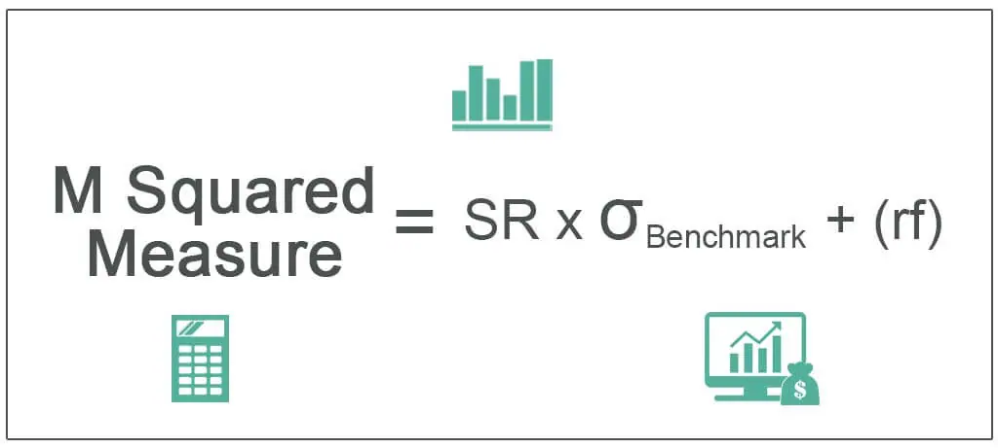
Date | RBLX | Stock Monthly Returns | Stock Excess Returns | S&P 500 | Market Monthly Returns
2021-04-01 | 74.550003 |  |  | 4181.17
2021-05-01 | 93.769997 | 25.78% | 25.77% | 4204.11 | 0.55%
2021-06-01 | 89.980003 | -4.04% | -4.05% | 4297.50 | 2.22%
2021-07-01 | 76.980003 | -14.45% | -14.46% | 4395.26 | 2.27%
2021-08-01 | 82.050003 | 6.59% | 6.58% | 4522.68 | 2.90%
2021-09-01 | 75.550003 | -7.92% | -7.93% | 4307.54 | -4.76%
2021-10-01 | 84.019997 | 11.21% | 11.20% | 4605.38 | 6.91%
2021-11-01 | 126.099998 | 50.08% | 50.07% | 4567.00 | -0.83%
2021-12-01 | 103.160004 | -18.19% | -18.20% | 4766.18 | 4.36%
2022-01-01 | 65.860001 | -36.16% | -36.17% | 4515.55 | -5.26%
2022-02-01 | 51.57 | -21.70% | -21.71% | 4373.94 | -3.14%
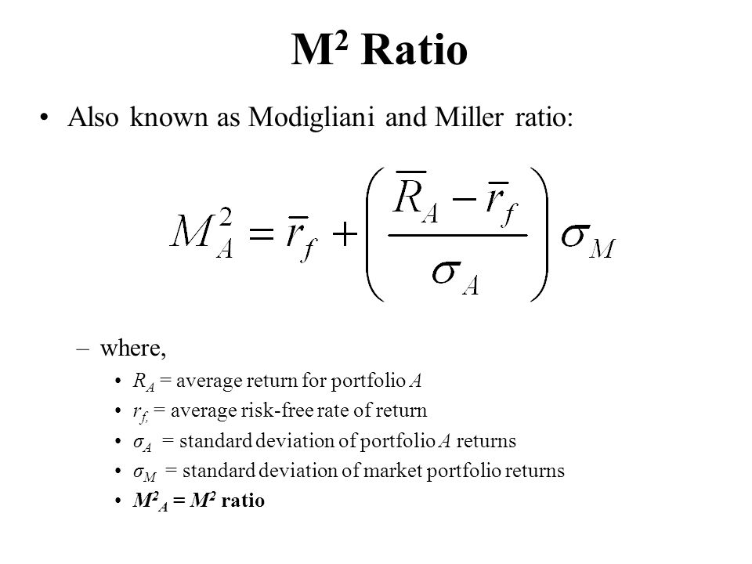
2022-03-01 | 46.240002 | -10.34% | -10.35% | 4530.41 | 3.58%
2022-04-01 | 30.65 | -33.72% | -33.73% | 4131.93 | -8.80%
2022-05-01 | 29.940001 | -2.32% | -2.33% | 4132.15 | 0.01%
2022-06-01 | 32.860001 | 9.75% | 9.74% | 3785.38 | -8.39%
2022-07-01 | 42.93 | 30.65% | 30.64% | 4130.29 | 9.11%
2022-08-01 | 39.110001 | -8.90% | -8.91% | 3955.00 | -4.24%
2022-09-01 | 35.84 | -8.36% | -8.37% | 3585.62 | -9.34%
2022-10-01 | 44.740002 | 24.83% | 24.82% | 3871.98 | 7.99%
2022-11-01 | 31.77 | -28.99% | -29.00% | 4080.11 | 5.38%
2022-12-01 | 28.459999 | -10.42% | -10.43% | 3839.50 | -5.90%
2023-01-01 | 33.41 | 17.39% | 17.38% | 3972.61 | 3.47%

Risk-free rate | 0.01%
Standard Deviation | 0.2236
Average Excess Return | -0.0140
Sharpe Ratio | -0.0627
Standard Deviation Benchmark | 0.0563
Modigliani M2 Ratio | -0.34%

